code and graph
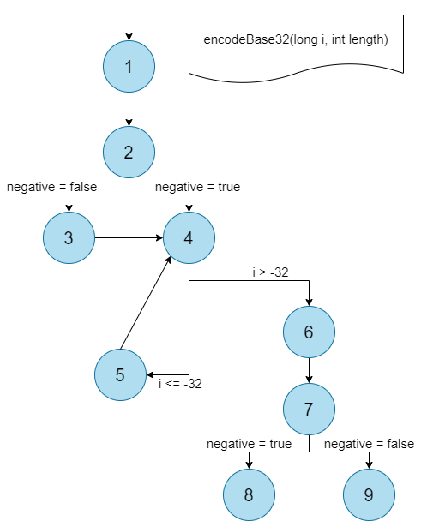
line | encodeBase32(long i, int length) |  |  | node
1 | char[] buf = new char[65]; int charPos = 64; boolean negative = (i < 0); if (!negative) i = -i; while (i <= -32) { buf[charPos--] = characters[(int) (-(i % 32))]; i /= 32; } buf[charPos] = characters[(int) (-i)]; String result = padLeftWithZerosToLength(new String(buf, charPos, (65 - charPos)), length); if (negative) return "-" + result; else return result; |  |  | 1
2
3
4 |  |  |  | 2
5 |  |  |  | 3
6 |  |  |  | 4
7 |  |  |  | 5
8
9
10 |  |  |  | 6
11

12 |  |  |  | 7
13 |  |  |  | 8
14
15 |  |  |  | 9

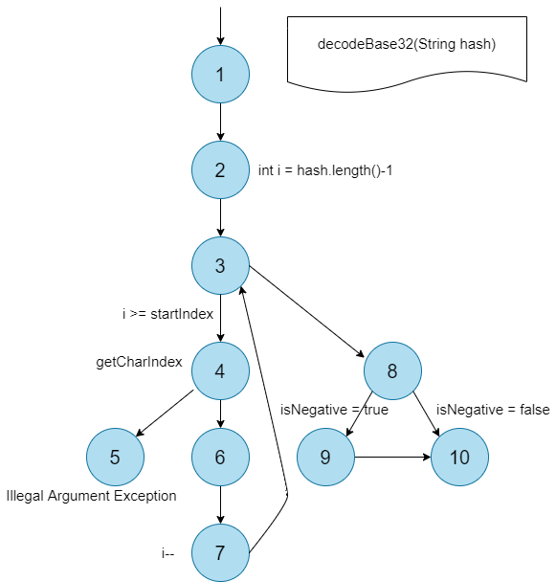
line | decodeBase32(String hash) |  |  | node
1 | boolean isNegative = hash.startsWith("-"); int startIndex = isNegative ? 1 : 0; long base = 1; long result = 0; for (int i = hash.length() - 1; i >= startIndex; i--) { int j = getCharIndex(hash.charAt(i)); result = result + base * j; base = base * 32; } if (isNegative) result *= -1; return result; |  |  | 1
2
3
4
5 |  |  |  | 2, 3, 7
6 |  |  |  | 4, 5
7 |  |  |  | 6
8
9
10 |  |  |  | 8
11 |  |  |  | 9
12 |  |  |  | 10

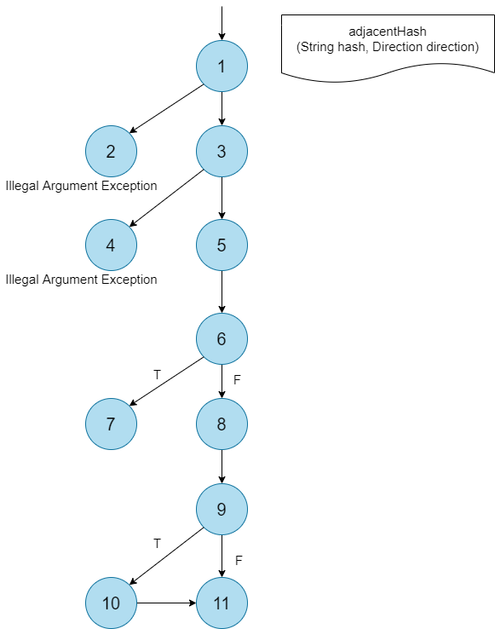
line | adjacentHash(String hash, Direction direction) |  |  |  |  | node
1 | checkHash(hash); Preconditions.checkArgument(hash.length() > 0, "adjacent has no meaning for a zero length hash that covers the whole world"); String adjacentHashAtBorder = adjacentHashAtBorder(hash, direction); if (adjacentHashAtBorder != null) return adjacentHashAtBorder; String source = hash.toLowerCase(); char lastChar = source.charAt(source.length() - 1); Parity parity = (source.length() % 2 == 0) ? Parity.EVEN : Parity.ODD; String base = source.substring(0, source.length() - 1); if (BORDERS.get(direction).get(parity).indexOf(lastChar) != -1) base = adjacentHash(base, direction); return base + BASE32.charAt(NEIGHBOURS.get(direction).get(parity).indexOf(lastChar)); |  |  |  |  | 1, 2
2 |  |  |  |  |  | 3, 4

3 |  |  |  |  |  | 5
4 |  |  |  |  |  | 6
5 |  |  |  |  |  | 7

6 |  |  |  |  |  | 8
7
8
9
10 |  |  |  |  |  | 9
11 |  |  |  |  |  | 10
12 |  |  |  |  |  | 11

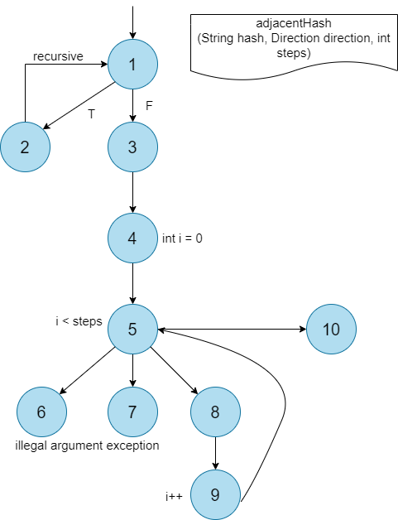
line | adjacentHash(String hash, Direction direction, int steps) |  |  | node
1 | if (steps < 0) return adjacentHash(hash, direction.opposite(), Math.abs(steps)); else { String h = hash; for (int i = 0; i < steps; i++) h = adjacentHash(h, direction); return h; } |  |  | 1
2 |  |  |  | 2
3
4 |  |  |  | 3
5 |  |  |  | 4, 5, 9
6 |  |  |  | 6, 7, 8
7 |  |  |  | 10
8

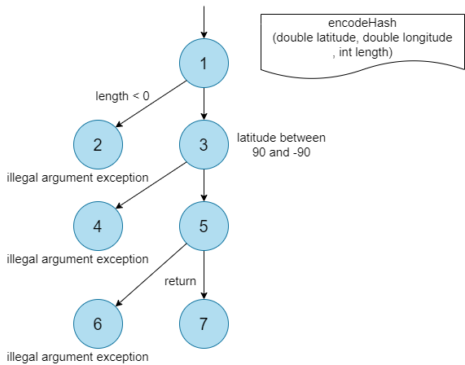
line | encodeHash(double latitude, double longitude, int length) |  |  |  | node
1 | Preconditions.checkArgument(length > 0, "length must be greater than zero"); Preconditions.checkArgument(latitude >= -90 && latitude <= 90, "latitude must be between -90 and 90 inclusive"); longitude = Position.to180(longitude); return fromLongToString(encodeHashToLong(latitude, longitude, length)); |  |  |  | 1, 2
2 |  |  |  |  | 3, 4

3 |  |  |  |  | 5

4 |  |  |  |  | 6, 7

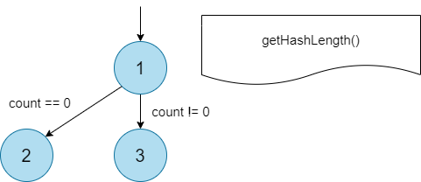
line | getHashLength() | node
1 | if (count == 0) return 0; else return (int) (hashes[0] & 0x0f); | 1
2 |  | 2
3
4 |  | 3

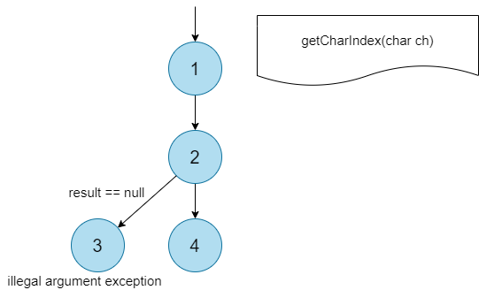
line | getCharIndex(char ch) |  |  |  | node
1 | Integer result = characterIndexes.get(ch); if (result == null) throw new IllegalArgumentException("not a base32 character: " + ch); else return result; |  |  |  | 1
2 |  |  |  |  | 2
3 |  |  |  |  | 3
4
5 |  |  |  |  | 4

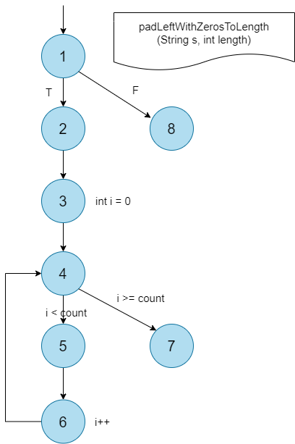
line | padLeftWithZerosToLength(String s, int length) |  | node
1 | if (s.length() < length) { int count = length - s.length(); StringBuilder b = new StringBuilder(); for (int i = 0; i < count; i++) b.append('0'); b.append(s); return b.toString(); } else return s; |  | 1
2 |  |  | 2
3
4 |  |  | 3, 4, 6
5 |  |  | 5
6 |  |  | 7
7
8
9 |  |  | 8

